Sheet1
THEME | color | size | reference
categoryPageDialogHeader |  |  | 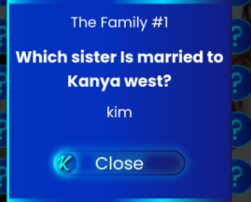
categoryPageFinished |  |  | 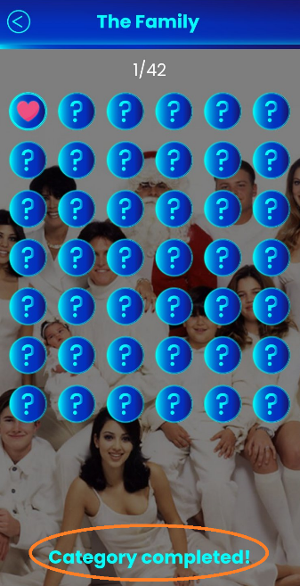
categoryPageProgress
genericBody |  |  | 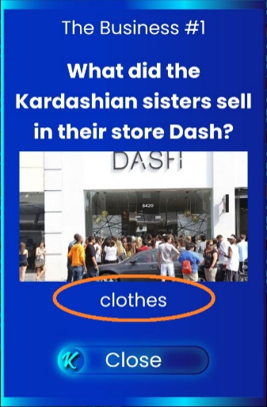
genericButtonLabel
genericDialogTitle |  |  | 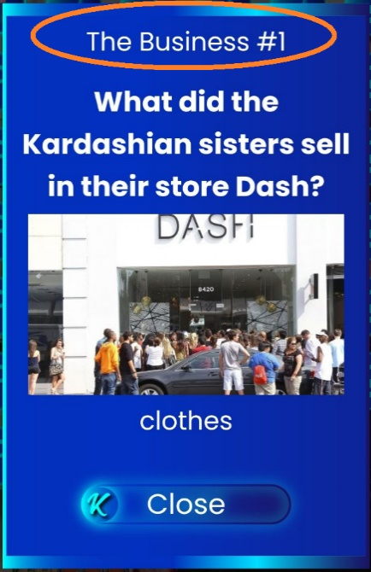
genericLoadingText |  |  | 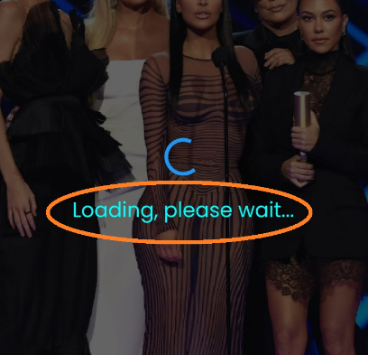
genericNavTitle
letterBoxCorrect
letterBoxNeutral
letterBoxWrong
questionPageFinished |  |  | 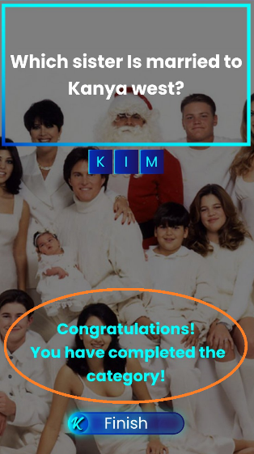
questionPageMainQuestion |  |  | 
questionPageSuccess
questionPageSubtitle |  |  | 
startPageCategoryProgress
startPageCategoryTitle |  |  | 
startPageError |  |  | 